probability
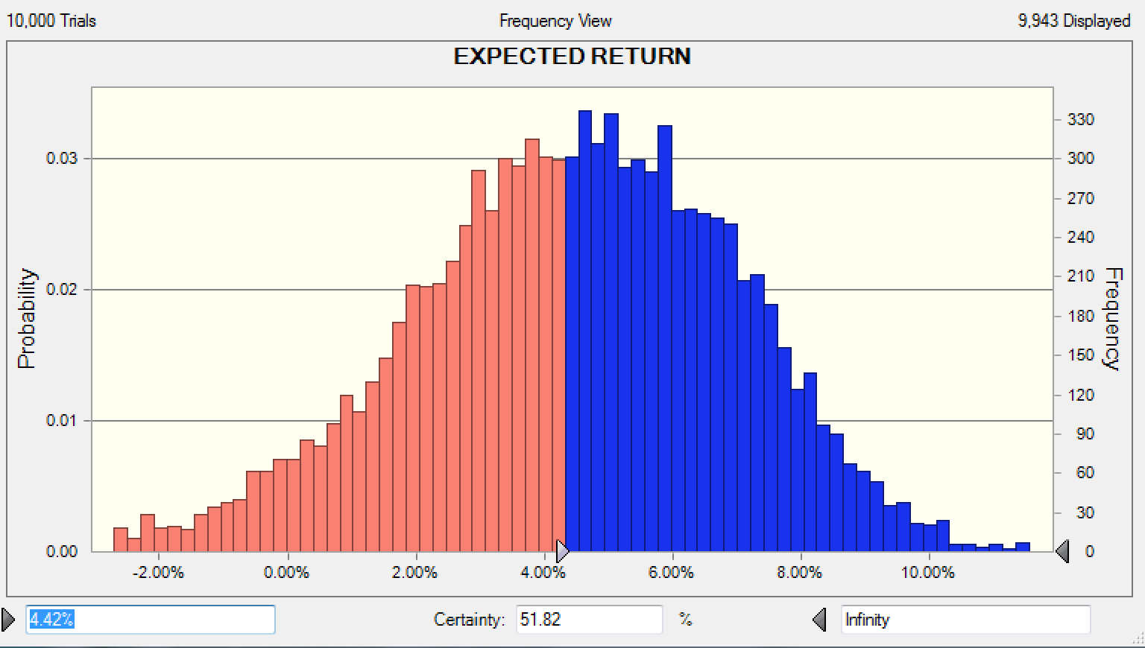
The probability that the return from the Talisman product will exceed 5.0% over the two years is about 42.94%
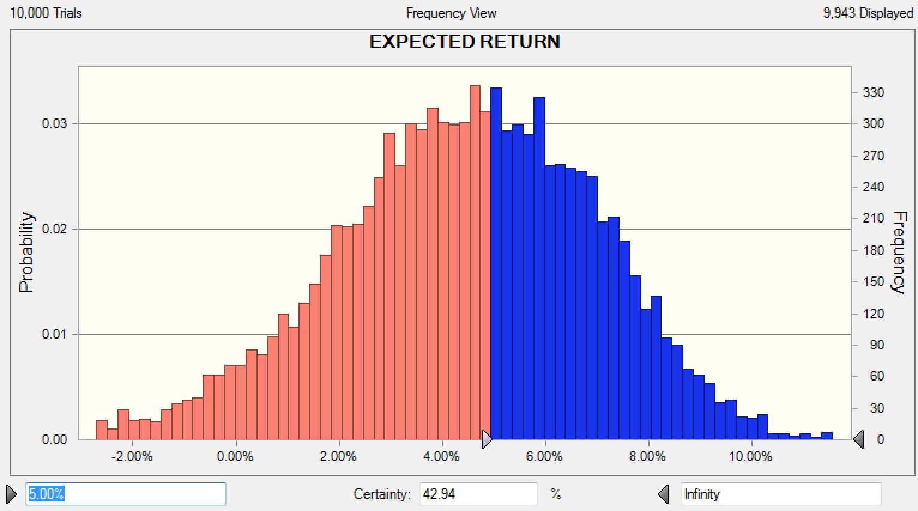

The probability that the Talisman product will outperform the average (4.42%) of the 25 composing stocks is about 51.82%

